1. Title Page
[Grocery Basket Analysis]

Project Name: Grocery Basket Analysis
Date: Aug 10, 2023
Analyst Name: Heather Visentin

Contents:
Population Flow
Consistency checks
Wrangling steps
Column derivations
Visualizations
Recommendations

Data source: "The Instacart Online Grocery Shopping Dataset 2017", Accessed from www.instacart.com/datasets/grocery-shopping-2017 via Kaggle. For the purpose of this course, the customer and price infomation in the data set was fabricated for educational purposes.

2. Population Flow
Title page

Population flow

Exclusion flag
Condition: max_order < 5
Obervations to be removed: 1 440 295
Final total count of order_products_all: 30 964 564

Orders_products_combined
Orders_products_merged
Orders_products_all

Total: 32 404 859
Total: 32 434 489
Total: 32 404 859

1.) The grey boxes in the first row of the population flow represent the original data sets as they were when you downloaded them. In the Total fields you need to add the count of the rows when you imported the data set into Jupyter.
2.) The second row of boxes (coloured) represents the data sets after you manipulated them, e.g., removed missing values and duplicates. In the Total fields you need to add the count of the rows after conducting these operations. This offers a visual oveview of how the data flows throughout the data consistency checks.
3.) The third row, where also the arrows are coloured, represents the merges you performed between the datasets. In the Total fields you need to add the count of the rows in the merged datasets, so that you end up with the final dataset (in the red box). Keep in mind the final dataset should be without exclusions (based on the exclusion flag).

3. Consistency checks
 |  |  |  | Title page
Consistency checks

Dataset | Missing values | Missing values treatment | Duplicates
orders | there are 206209 missing values in the days_since_last_order column | changed to 0 | no duplicates
products | there are 16 missing values in the product_name column | removed from data set | 5 duplicates
orders_products_prior | changed outlier prices to missing | prices values of 99 999 and 14 999 were changed to nan | no duplicates
customers | missing values for first name | left missing values as they are over 5% | no duplicates

4. Wrangling steps
 |  |  |  | Title page
Wrangling steps

Columns dropped | Columns renamed | Columns' type changed | Comment/Reason
eval_set |  |  | deleted because not needed
 | order_dow |  | changed to days_of_week for clarity
 | order_day_since_prior_order |  | changed to _days_since_last_order for clarity
 |  | user_id | changed to string
 |  | order_id | changed to string
 | surnam |  | changed to Last Name
 | STATE |  | changed to State
 | n_dependants |  | changed to dependents
 |  | First Name | changed data type to string
First Name |  |  | due to PII
Last Name |  |  | due to PII

5. Column derivations
 |  |  |  |  | Title page

Column derivations and aggregations

Dataset | New column | Column/s it was derived from | Frequencies | Conditions
orders_products_merged | price_range_loc | prices | low range: 9 674 840 mid range: 20 891 771 high range: 397 953 | low range: if price is <=5 mid range: if price is >5 & <= 15 high range: if price is > 15
orders_products_merged | busiest day | orders day of the week | Least Busy: 21 430 960 Regularly Busy: 5 908 610 Busiest day: 3 624 994 | Least busy: if orders_dow = 4 Busiest day: if orders_dow = 0 Regularly Busy: if orders_dow = all else
orders_products_merged | busiest days | orders day of the week | Slowest Days: 7 294 529 Regular Days: 12 349 739 Busiest Days: 11 320 296 | Slowest Days: if orders_dow = 4 or 3 Busiest days: if orders_dow = 0 or 1 Regularly days: if orders_dow = all else
orders_products_merged | busiest period of day | order hour of day | Fewest Orders: 1 232 989 Average Orders: 9 550 810 Most Orders: 20 180 856 | Fewest Orders: if order_hod = 3,4,2,5,1,0,6,23 Most:Orders: if order_hod = 10,11,14,15,13,12,16,9 Average Orders: if orders_hod = all else
orders_products_merged_2 | max order | using groupby with user_id and order_number |  | the max number of orders
orders_products_merged_2 | loyalty flag | max_order | New Customer: 4 803 695 Regular Customer: 15 876 776 Loyal Customer: 10 284 093 | New Customer: if max order <= 10 Regular Customer: if max order >10 & <=40 Loyal Customer: if max order >40
orders_products_merged_2 | mean_price | using groupby with user_id and prices |  | the mean price
orders_products_merged_2 | spending_flag | mean_price | Low Spender: 30 361 139 High Spender: 603 425 | Low: if mean price < 10 High: if mean price >= 10
orders_products_merged_2 | median days | using groupby with user_id and days_since_last_order |  | the median frequency of ordering
orders_products_merged_2 | frequency_flag | median_days | Non-Frequent Customer: 2 187 417 Regular Customer: 6 568 253 Frequent Customer: 22 208 894 | Non-Freq: if median days >20 Regular: if median days >10 & <=20 Frequent: if median days <=10
newest3 | Region | state |  | divided states into regions by wikipedia categories
newest3 | activity | max_order | Low: 1 440 295 High: 30 964 564 | Low: if max order <5 High: if max order >=5
newest3 | age_group | age | Young: 8 738 805 Middle: 11 651 255 Older: 10 574 504 | Young: if age <=35 Middle: if age >35 & <60 Older: if age >= 60
newest3 | income_group | income | Below Avg: 16 623 993 Above Avg: 14 340 571 | Below: if income <= 99 675 Above: if income >= 99 676
newest3 | dependent_group | dependents | Dep: 23 224 883 No Dep: 7 739 681 | Dep: if dependents >0 No Dep: if dependents =0
newest3 | parent_profile | age group and dependent goup | Young Parent: 6 561 115 Middle Parent: 8 734 535 Old Parent: 7 929 233 Young Childless: 2 177 690 Middle Childless: 2 916 720 Old Childless: 2 645 271 | YP: if young age and dependents MP: if middle aged and dependents OP: if old age and dependents YC: if young age and no dependents MC: if middle aged and no dependents OC: if old aged and no dependents

6. Visualizations
Title page

Visualisations

In this tab you should include all the visualtions from Exercises 4.9 and 4.10, alongside the questions from the project brief that they answer. Include any commentary on the relationship between different variables.

1. The sales team needs to know what the busiest days of the week and hours of the day are
(i.e., the days and times with the most orders) in order to schedule ads at times when there are fewer orders.


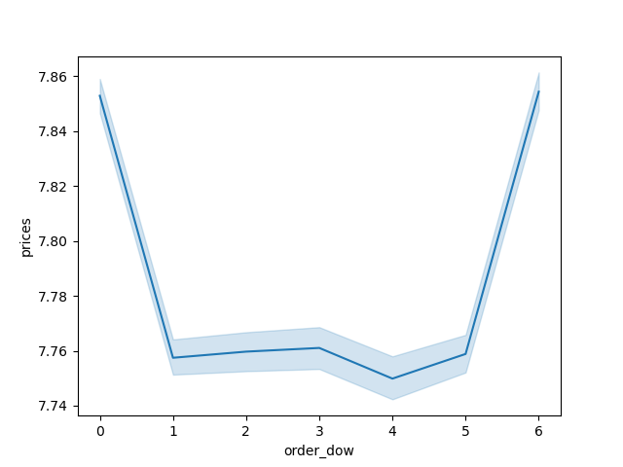

Orders Placed by Days of Week
Price Spent by Days of Week
Orders Placed by Hour of Day

Days of Week
Legend
0 - Saturday
1 - Sunday
2 - Monday
3 - Tuesday
4 - Wednesday
5 - Thursday
6 - Friday

Saturday has the most orders, follow by Sunday and then Friday.
Wednesday has the least followed by Tuesday and Monday.
Most orders are being placed between 9am and 4 pm.
Customers are spending more on Fridays and Saturdays.
2. Are there particular times of the day when people spend the most money?
This might inform the type of products they advertise at these times.

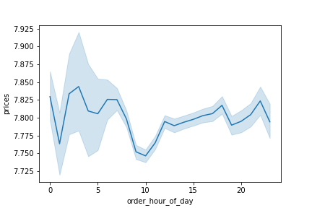
Amount Spent by Time of Day

The amount of money spent is highest between 2 and 4 am.

3. Instacart has a lot of products with different price tags. Marketing and sales want to use simpler price
range groupings to help direct their efforts.


Frequency of Product Prices
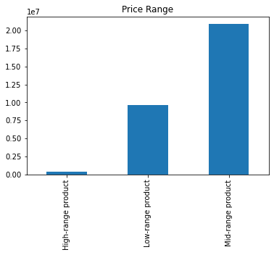
Frequency of Price Ranges

The frequency of items from $1-$15 is relatively stable, there is a major
drop off with items priced above $15.

4. Are there certain types of products that are more popular than others? The marketing and sales teams want to know
which departments have the highest frequency of product orders.

Frequency by Department
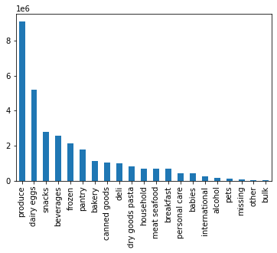

Produce is by far the most popular department. The next department is dairy/eggs with a little more than half the orders of produce.
The next three depertments, snacks, beverages and frozen are all about half of dairy/eggs.

5. What’s the distribution among users in regards to their brand loyalty (i.e., how often do they return to Instacart)?

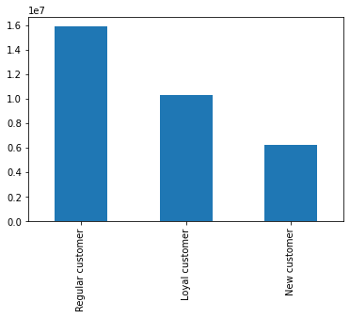
Frequency by Loyalty

Regular customers, those purchasing between 10 and 40 orders, are the largest share of the customer base.
Followed by Loyal customers, those who have made over 40 orders and then new customers, those who
have made 10 or less orders.

6. Are there differences in ordering habits based on a customer’s loyalty status?

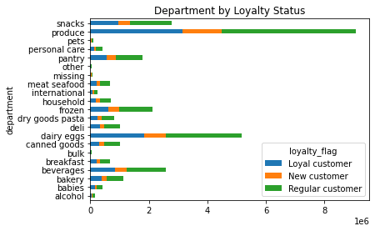
Department by Loyalty Status

Regular customers have the highest amount for each category, followed
by loyal customer and new customers.

7. Are there differences in ordering habits based on a customer’s region?
Departments by Region
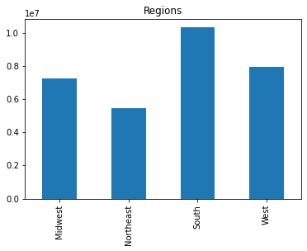
Frequency by Region
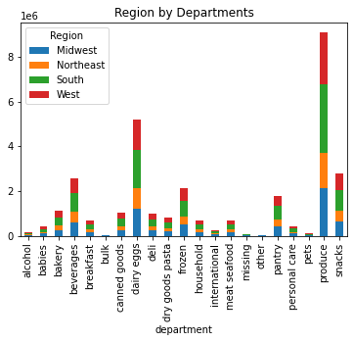

Customers per Region

The south has the largest amount of orders with Northeast having the least.
This is to be expected given that South also has the most customers.

There is no obvious differences based on region for preferences in departments.

8. Is there a connection between age and family status in terms of ordering habits?

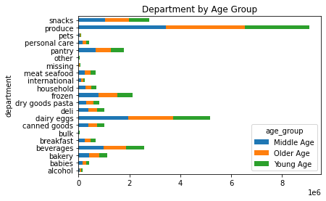
Department by Age Group
Department by Family Status
Department by Parental Status & Age
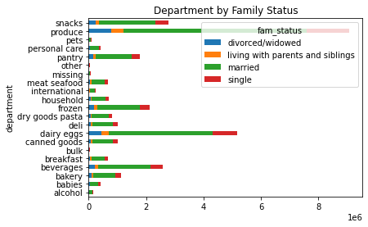
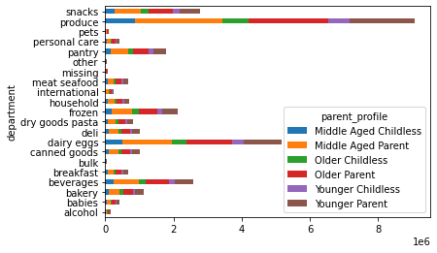

Frequency by Age Group
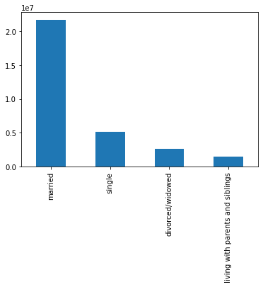
Department by Family Status
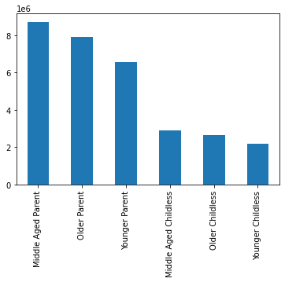
Department by Parental Status & Age
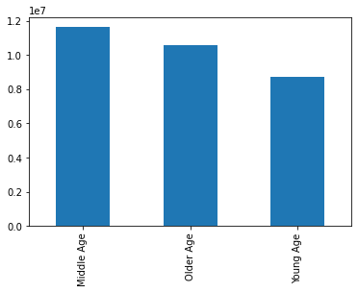

Middle age customers, those between 35 & 60 make up the largest share of orders
Followed by older customers, those 60 and older. With young customer, under 35,
having the least
Married customers are the group that are
making by far my orders than any other group.

Overall Age groups, parents are making more orders than all non parent groups.
The order for ages follows that of the age group graph.

9. Is there a connection between income status and age in terms of ordering habits?

Frequency by Average Income

Income and Age
Department by Average Income
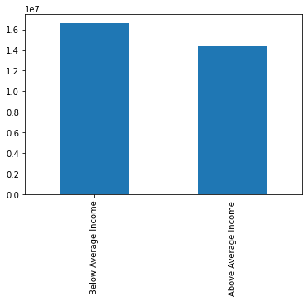
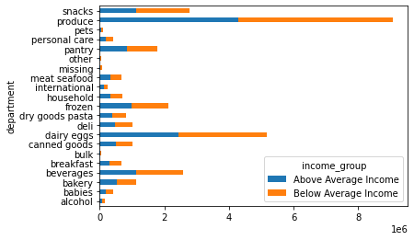

People with below average income, average income being $99 675.87, place more orders than those above
average income. People over the age of 40 have a jump in income, no one under 40 is above 400 000, and most
are below 200 000. Those above 40, their income is as high as 600 000 and majority is below 300 000.

7. Recommendations
Title page

Recommendations

In this tab you should include any recommendations you would made to Instcart in terms of their marketing strategy based on the questions posed in the brief. Every key question has been covered in the Tasks of the Exercises - here you need to add an item - a visualisation or table/crosstable that is showing the answer in the data, acompanied by a comment from you. Please, list the questions below and add the answer underneath.

1. The sales team needs to know what the busiest days of the week and hours of the day are
(i.e., the days and times with the most orders) in order to schedule ads at times when there are fewer orders.

Answer: The busiest days are the weekends, Friday, Saturday and Sunday with Saturday having the most orders. The days with the least orders are the days in the middle of the week,
Monday, Tuesday and Wednesday with wednesday having the least. Friday and Saturday are also the days where high range items are sold most. Most orders are placed within the
hours of 9am to 4 pm.
Recommendations: I would recommend scheduling ads for Monday through Wednesday when orders are at the lowest. I would also recommend scheduling ads before and on weekends
to help sell more of the high range items. The hours when sales are the lowest are the middle of the night so I would not recommend ads during that time but I would recommend scheduling
ads for 5-9am so that people will see them first thing in morning to increase morning sales.

Visualizations
2. Are there particular times of the day when people spend the most money?
This might inform the type of products they advertise at these times.

Answer: The time of day where the amount spent is highest is between 2 and 4 am. It stays higher until around 7 am before dropping off.
Recommendations: I would recommend advertising for higher range products during this time, or in the hours before. As we learnt in the previous
question, high range items are also purchased more on Fridays and Saturdays, seemingly these purchases are being made after a night out. It might be beneficial
to advertise specific products in the hours before people might be going out for the night so that when it comes time for the late night orders those products
are being remembered

Visualizations

3. Instacart has a lot of products with different price tags. Marketing and sales want to use simpler price
range groupings to help direct their efforts.

Answer: Mid range products, that being betweeen $5 and $15, are being sold at a higher rate than low and high range products. It is clear that products
about $15, High range products, are rarely being sold.
Recommendation: As states previously, if we are wanting to target customer making these high range sales, I would increase the stock of these products.
I would also look into finding more mid range products to advertise and they are currently the best sellers.

Visualizations

4. Are there certain types of products that are more popular than others? The marketing and sales teams want to know
which departments have the highest frequency of product orders.

Answers: Produce out sells all other departments. The next closest, dairy/eggs, has just over half the amount as
produce. It is followed by snacks, beverages and frozen which are all pretty similar, having about hald of dairy/eggs.
Recommendations: Due to both produce and dairy/eggs being perishable I would not recommend doing anything too much with stock, which
could potentially result in waste. I would recommend focusing on snack, beverages and frozen, which all have a much longer shelf life. Focus on ads
in these departments and increase stock to cover for the increased demand.

Visualizations

5. What’s the distribution among users in regards to their brand loyalty (i.e., how often do they return to Instacart)?

Answers: Regular customers have the largest share of the customer base, meaning that customers are usually making somewhere
between 10 and 40 orders. New customer have the lowest share of customer base.
Recommendations: I would recommend giving some sort of incentive to get the regular customers over the 40 order mark to make the loyal
customers. Maybe some sort of loyalty card so that once they are over 40 they receive some benfits. I would also recommend adding incentives to new
customers. Both to bring in new customers and also to have the new customers making more orders so that they can move to regualr and then hopefully
loyal customer in the future.

Visualizations
6. Are there differences in ordering habits based on a customer’s loyalty status?

Answers: The ordering habits don't change based off of loyalty. Regular customers still have the majority share for all the departments,
followed by loyal customers and then new customers.
Recommendations: I would recommend seeing how to get new customers to make more purchases. As mentioned above some new customer incentives
would help and also advertise those departments that are already selling best, so produce, dairy/eggs, snacks, beverages and frozen.

Visualizations
7. Are there differences in ordering habits based on a customer’s region?

Answer: The states were divided into regions based on wikipedias definition of regions. The South region has the most orders. This is to be expected as
they also have the most customers. The Northeast has the least amount of orders, which is also to be expected due to having the least amount of customers.
While there is a difference in regions there doesn't seem to be a preference for specific department for each region.
Recommendations: I would recommend advertisiting in the Northeast to try and grow the customer share in those states. This combined with a new customer
incentive should bring more customers to using Instacart from this region.

Visualizations

8. Is there a connection between age and family status in terms of ordering habits?

Answers: Overall married people and parents are making more orders than those unmarried and non parents. Middle aged parents are making
the most order overall. This seems to fit with the general idea of an online grocery store. Parents are less likely to want to go in person and bring their
kids along and ordering online makes this necessary task much more managable. There does not seem to be a diiference in what departments people are
ordering based on their age or family status.
Recommendations: I would recommend targeting advertisement to those who are single, and try to find a way to break into that demographic. I would also
target ads specific to children or parenting to those who are parents and make sure that those who aren't are receiving different ads that better appeal to them.

Visualizations
9. Is there a connection between income status and age in terms of ordering habits?

Answer: As we know from above middle aged people, those between 35 and 60, are placing the most orders. This is followed by older aged, over 60, people.
When looking at income this makes sense as there is a jump in income at 40 years. While people with below average income, $99 675.87 are making more orders than
those with above average incomes, it is very close and not that significant. Most of the customer base is below the average income so you would expect to see more
orders coming from that group. There does not seem to be any relationship between department and income level.
Recommendation: As below average income people are placing more orders, look at targeting their ads to low and mid range products. Because we know that there are
more high income earners in the middle and older age groups, look at targeting the high range items to these groups.

Visualizations

